시트1
Project Name: | NextLevel Research Conference Management System
Test CaseID | T1.13
Test Case Description | System Admin update reviewer
Created by: | Yechan Kim
Date of testing: | 13th October 2022
Actor: | System Admin
Pre-condition: | There must be existing users, reviewer.
 | Logged in as a System Admin
 | System Admin is on the Users List page.

Test Step | Step Details | Test Data | Expected Results | Actual Results | Pass/Fail/Not executed/Suspended | Screenshots, if possible | Remarks
T1.13 - 1 | System Admin clicks the update button on one of the Reviewer in Users List. | user(id, email, username, password), reviewer(maxPaper, name) | The system will display the fields of Reviewer to be updated. The user will be able to view system admin fields with previous set values. | The system displays the fields of Reviewer to be updated. | Pass | 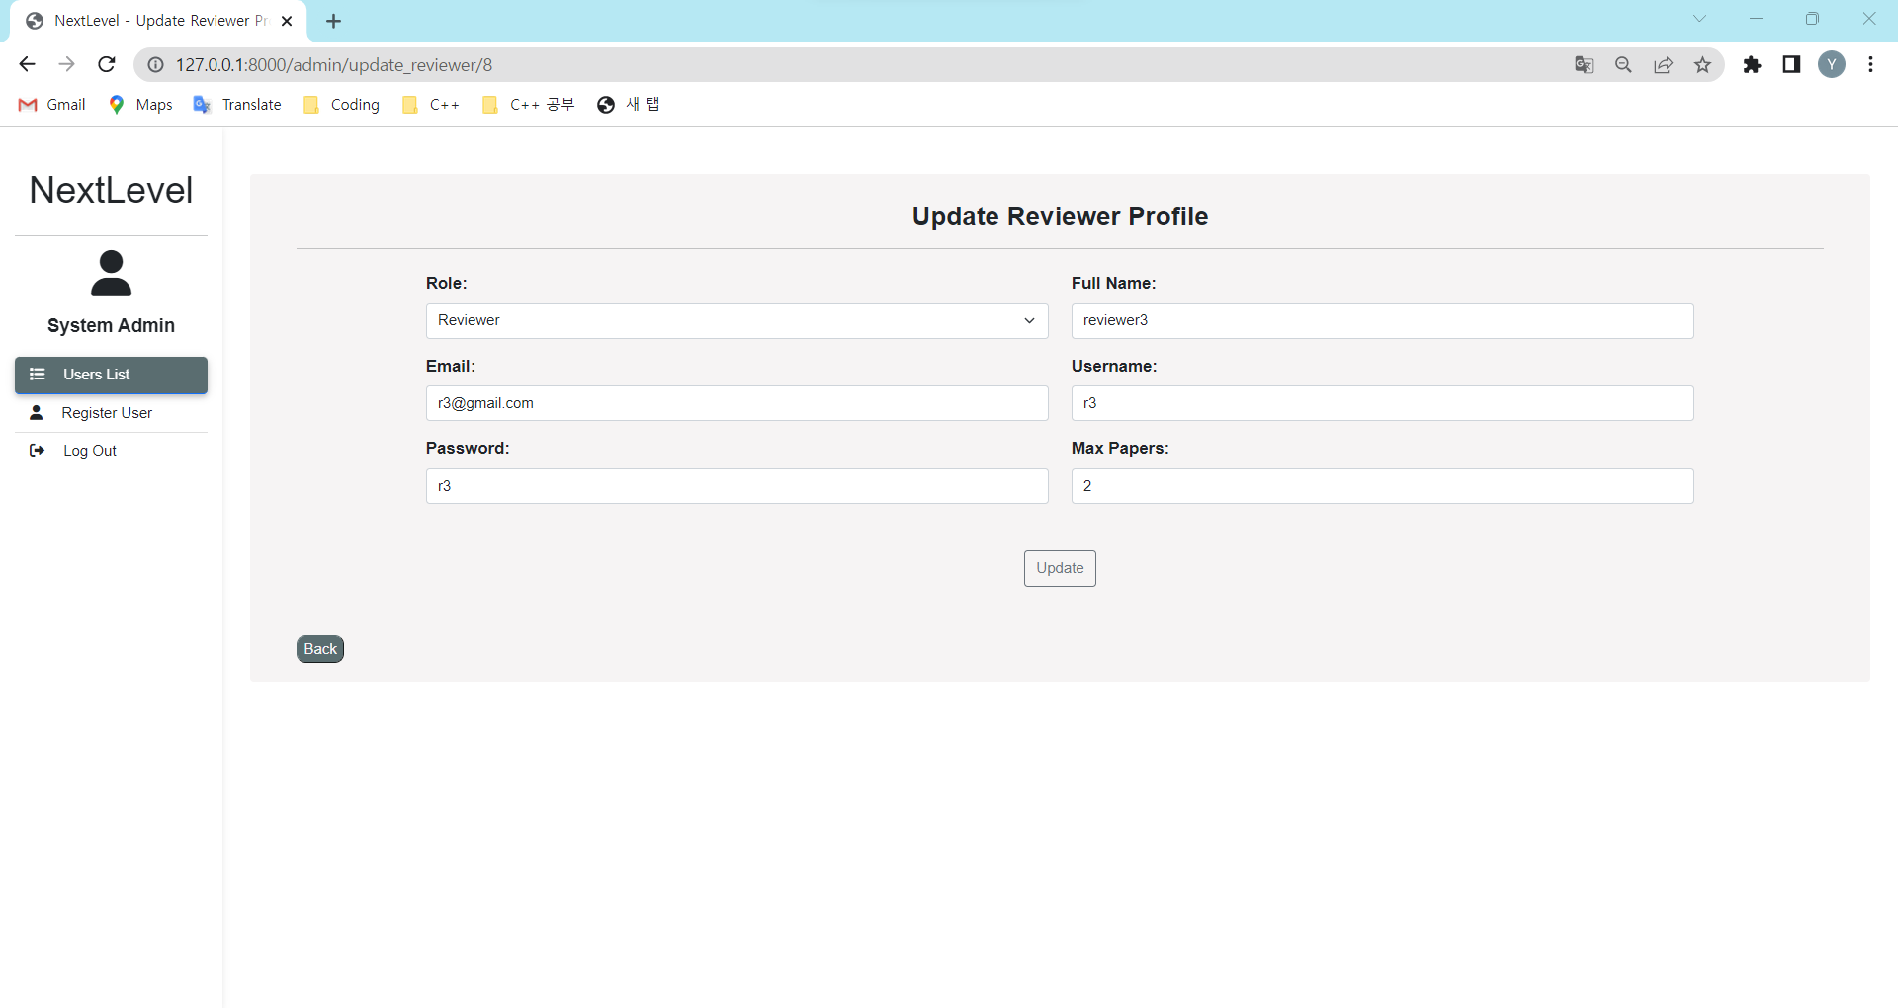
T1.13 - 2 | System admin edit reviewer details on full name, email, username, password, max papers. | user (email, username, password), reviewer (maxPaper, name) | The typed details should appear in the text box The user will be able to view updating user's details in the textbox. | The typed details appears in the text box | Pass | 
T1.13 - 3 | System admin clicks "Update" button |  | The system will verify and update the details and direct user to view user page The user will see a success message and the user has been properly updated. | The system verifies and updates the details and direct user to view user page | Pass | 